Sheet1
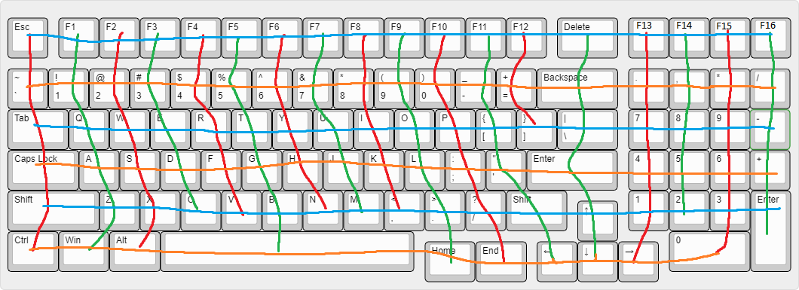

 |  |  |  |  |  |  |  |  |  |  |  |  |  |  |  |  |  |  | Microcontroller needs 24 signal pins minimum

 |  | Column
 |  | 0 | 1 | 2 | 3 | 4 | 5 | 6 | 7 | 8 | 9 | 10 | 11 | 12 | 13 | 14 | 15 | 16 | 17
Row | 0 | ESC | F1 | F2 | F3 | F4 | F5 | F6 | F7 | F8 | F9 | F10 | F11 | F12 | DEL | F13 | F14 | F15 | F16
 | 1 | TILDE | 1 | 2 | 3 | 4 | 5 | 6 | 7 | 8 | 9 | 0 | DASH | EQUAL | BKSPC | DECML | SPRTR | MULT | DIV
 | 2 | TAB | Q | W | E | R | T | Y | U | I | O | P | LBRKT | RBRKT | BSLSH | NUM7 | NUM8 | NUM9 | MINUS
 | 3 | CAPS | A | S | D | F4 | G | H | J | K | L | SMCLN | APOST |  | ENTER | NUM4 | NUM5 | NUM6 | PLUS
 | 4 | LSHFT | Z | X | C | V | B | N | M | COMMA | PRD | SLSH | RSHFT |  | UP | NUM1 | NUM2 | NUM3 | NUMEN
 | 5 | CTRL | WIN | ALT |  |  | SPACE |  |  |  | HOME | END | LEFT |  | DOWN | RIGHT |  | NUM0

